LQ
NAVI MUTUAL FUND
Navi Liquid Fund
Monthly Portfolio Statement for the month ended 31 Jan 2025
Name of the Instrument | ISIN | Industry/Rating | Quantity | Market/Fair Value (Rs. in Lacs) | % to Net Assets | YIELD
Debt Instruments
(a)Listed / awaiting listing on Stock Exchanges
8.27% REC LIMITED (06/02/2025) ** | INE020B08906 | CRISIL AAA | 500000 | 500.02 | 7.16% | 7.58 %
8.52% LIC HOUSING FINANCE LIMITED (03/03/2025) ** | INE115A07GT2 | CRISIL AAA | 500000 | 500.22 | 7.16% | 7.40 %
7.35% HDFC BANK LIMITED (10/02/2025) ** | INE040A08989 | CRISIL AAA | 400000 | 399.91 | 5.73% | 7.68 %
8.25% MAHINDRA & MAHINDRA FINANCIAL SERV LTD. (28/03/2025) ** | INE774D07UW5 | CRISIL AAA | 300000 | 299.95 | 4.30% | 7.82 %
8.49% RESERVE BANK OF INDIA (31/03/2025) ** | IN2820150307 | SOVEREIGN | 250000 | 250.69 | 3.59% | 6.80 %
5.70% SIDBI (28/03/2025) ** | INE556F08JX0 | ICRA AAA | 150000 | 149.53 | 2.14% | 7.45 %
Sub Total |  |  |  | 2,100.32 | 30.08%

(b)Privately Placed/ Unlisted
Sub Total |  |  |  | 0.00 | 0.00%

(c)Securitized Debt Instruments
Sub Total |  |  |  | 0.00 | 0.00%

Total |  |  |  | 2,100.32 | 30.08%

Money Market Instruments
(a)Certificate of Deposit
ICICI BANK LIMITED (25/02/2025) **# | INE090AD6121 | ICRA A1+ | 400000 | 398.10 | 5.70% | 7.25 %
PUNJAB NATIONAL BANK (25/02/2025) # | INE160A16OM8 | IND A1+ | 400000 | 398.09 | 5.70% | 7.30 %
Sub Total |  |  |  | 796.19 | 11.40%

(b)Commercial Paper
TIME TECHNOPLAST LIMITED (07/04/2025) ** | INE508G14HC5 | ICRA A1+ | 500000 | 492.52 | 7.05% | 8.53 %
RELIANCE INDUSTRIES LIMITED (03/02/2025) # | INE002A14KW4 | CARE A1+ | 450000 | 449.83 | 6.44% | 6.70 %
Sub Total |  |  |  | 942.36 | 13.49%

(c)Treasury Bills
364 DAYS TREASURY BILL 27-FEB-2025 | IN002023Z513 | SOVEREIGN | 600000 | 597.27 | 8.55% | 6.43 %
91 DAYS TREASURY BILL 10-APR-2025 | IN002024X409 | SOVEREIGN | 250000 | 247.00 | 3.54% | 6.52 %
182 DAYS TBILL MAT 04-APR-2025 | IN002024Y258 | SOVEREIGN | 800000 | 791.23 | 11.33% | 6.52 %
364 DAYS TREASURY BILL 24-APR-2025 | IN002024Z040 | SOVEREIGN | 500000 | 492.79 | 7.06% | 6.51 %
Sub Total |  |  |  | 2,128.29 | 30.48%

Total |  |  |  | 3,866.84 | 55.37%

Others
(a)Fixed Deposit
Sub Total |  |  |  | 0.00 | 0.00%

(b)Exchange Traded Funds
Sub Total |  |  |  | 0.00 | 0.00%

(c)CDMDF_AIF
Corporate Debt Market Development Fund | INF0RQ622028 |  | 401 | 43.72 | 0.63%
Sub Total |  |  |  | 43.72 | 0.63%

Total |  |  |  | 43.72 | 0.63%

TREPS/Reverse Repo/Net Current Assets/Cash/Cash Equivalent |  |  |  | 971.75 | 13.92%

Grand Total |  |  |  | 6,982.63 | 100.00%

** Non Traded Security
# Unlisted Security

This product is suitable for investors who are seeking*
· Income over short term.

· Investments in debt and money market Instruments

*Investors should consult their financial advisers if in doubt about whether the product is suitable for them
Benchmark Riskometer- Crisil Liquid Debt A-I Index

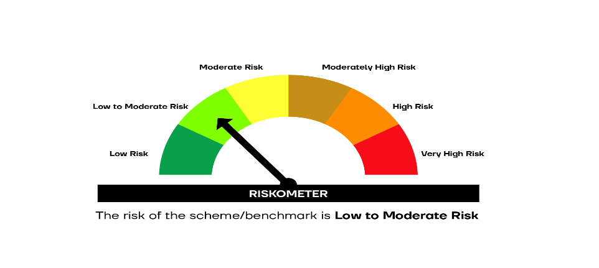

SCHEME RISKOMETER | BENCHMARK RISKOMETER

